32"
SHENZHEN MONTRONICS TECHNOLOGY CO., LTD
Address: 7th Floor, D Plant, No.314, Jihua Road, Xinxue Community, Bantian Street, Shenzhen
Mail: miyanluo@montronics.cn Skype/Mobile: +86-15907554919 QQ:294928738 Tel: 0086 755 28708127
Quotation Sheet
Item No.: | M32 | Unite price | Samples | 50-100pcs
Description: | 32” Open-Frame Flat Capacitive Touch Monitor Metal Frame | (USD) | US$340 | US$290
Date: | 3-Jun-20
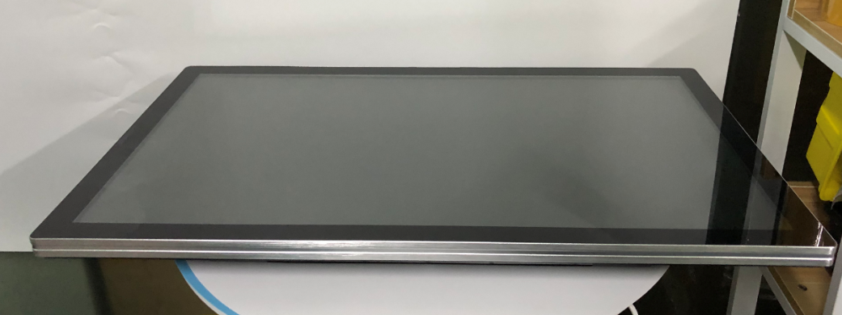 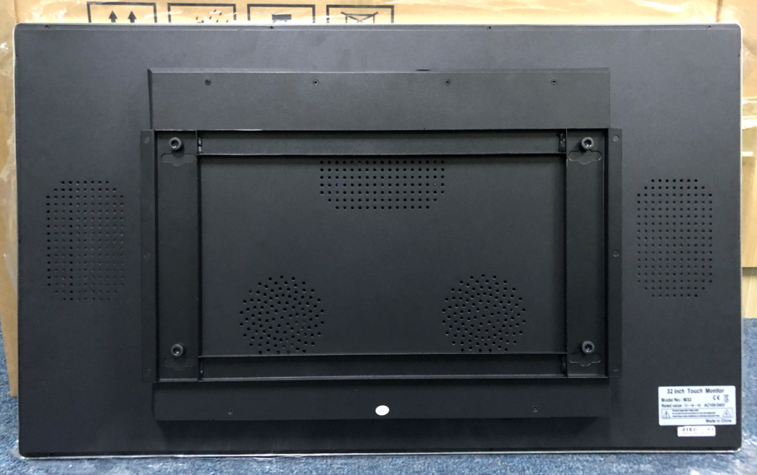 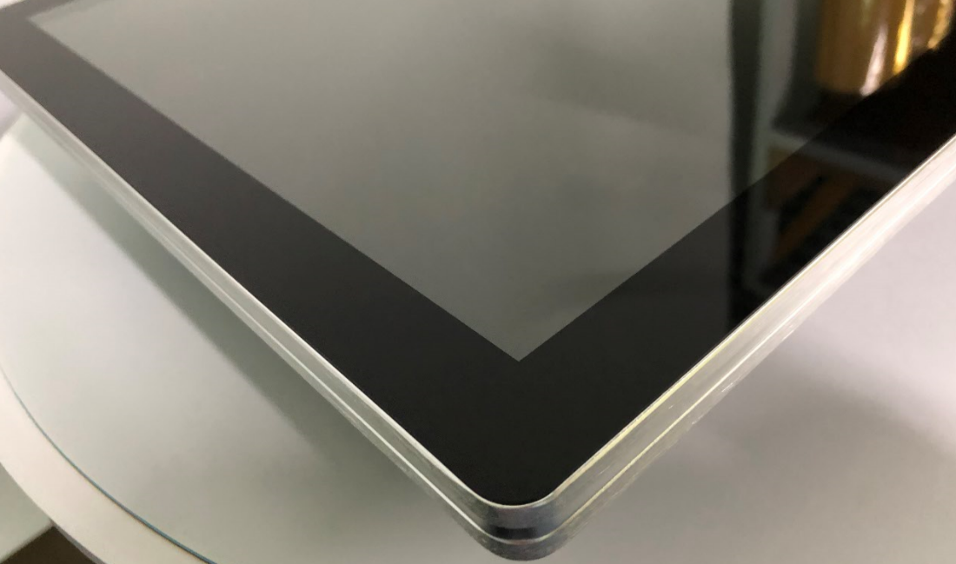
Specification
General
Series | metal frame for kiosk with flat screen
Monitor Dimensions | 708.48 × 398.52 mm (H×V)
LCD Type | 32" Capacitive Touch Monitor
Video Input | VGA , USB, HDMI
OSD controls | Allow on-screen adjustments of Brightness, Contrast Ratio, Auto-adjust, Phase, Clock, H/V Location, Languages, Function, Reset
 | Input (line) voltage: 100-240 VAC, 50-60 Hz
Mount Interface | 1)VESA 75mm and 100mm
 | 2)Mount bracket, horizontal or vertical
OS | support Windows 7/ 8/ 10
LCD Specification
Active Area(mm) | 713.48 × 403.52 mm (H×V)
Resolution | 1920×1080@50-60Hz
Dot Pitch(mm) | 0.3114×0.3114
Nominal Input Voltage VDD | +12.0V(Typ)
Viewing angle (v/h) | 89°/89°
Contrast | 3000:1
Luminance(cd/m2) | 300cd/m2
Response Time(Rising/Falling) | 5ms
Support Color | 16.7M colors
Backlight MTBF(hr) | 30000
Touchscreen Specification
Type | 10 points capacitive touch screen
Resolution | 4096*4096
Light Transmission | 92%
Touch Life Cycle | 50 millions
Touch Response time | 8ms
Touch System Interface | USB interface
Power consumption | +5V@80mA
External AC Power Adapter
Output | DC 12V /4A
Input | 100-240 VAC, 50-60 Hz
MTBF | 50000 hr at 25°C
Environment
Operating Temp. | 0～50°C
Storage Temp. | -20～60°C
Operating RH: | 20%～80%
Storage RH: | 10%～90%
Drawing
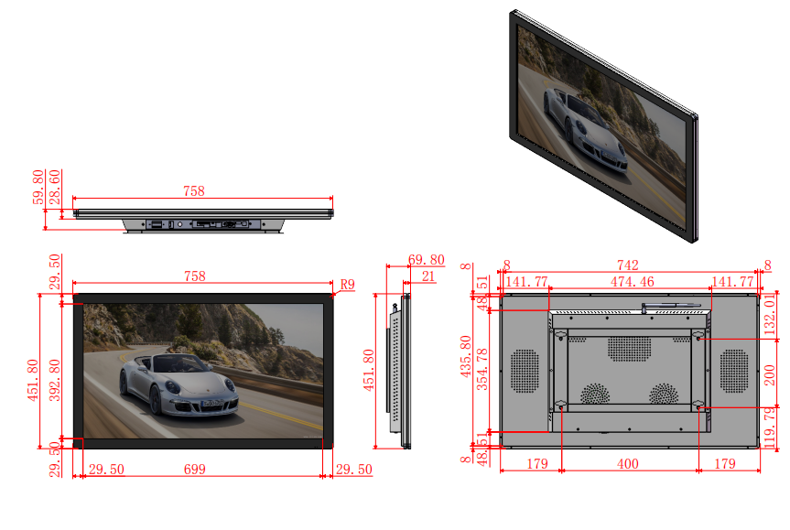
Components
USB Cable 180cm*1 Pcs,
VGA Cable 180cm*1 Pcs,
Power Cord with Switching Adapter *1 Pcs,

Remark：
1. Trade Term: FOB Shenzhen base on 750pcs
2. Delivery time: 20-25 working days base on 750pcs.
3. Payment: 30% T/T in advance,the 70% balance can be paid before shipment.
4. Period of validity:30 days.
6. 2 Years Warranty for Monitor and all components.

